Template - Phase 2
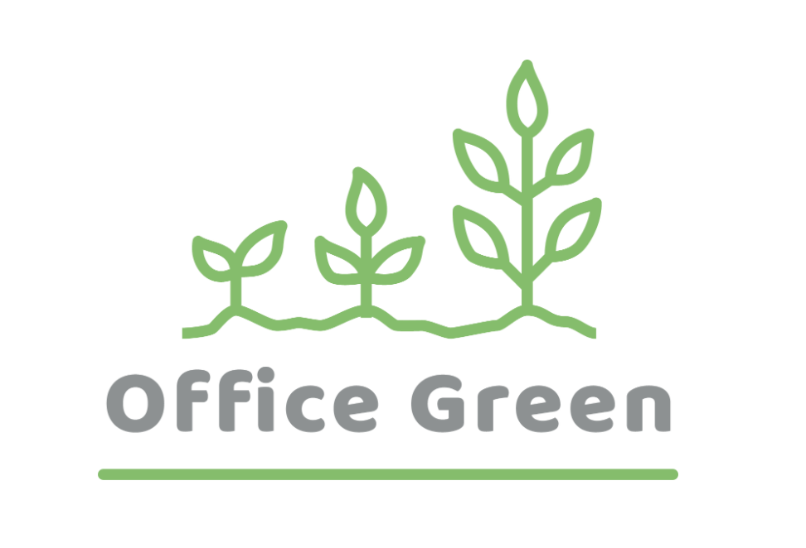
R - Responsible | Completes the deliverable or task.
A - Accountable | Makes final decisions and signs off on task completion. Only 1 per task.
C - Consulted | An advisor, stakeholder, or subject matter expert who offers guidance before an action is taken.
I - Informed | Kept up to date on decisions made.
Plant Pals Landing Page | Role A | Role B | Role C | Role D | Role E | Role F
PHASE 2 | Web Manager | Graphic Designer | Web Developer | Quality Assurance Tester | Content Writer | Web Designer
Task/Deliverable
1. Design a landing page | A | C | I | I | C | R
2. Create a landing page mockup | A | C | C | I | C | R
3. Design image assets | I | R | C | I | I | A
4. Write content | A | C | C | I | R | I
5. Code the landing page | A | C | R | I | I | I
6. Test the landing page | A | I | C | R | I | I

